Sheet1
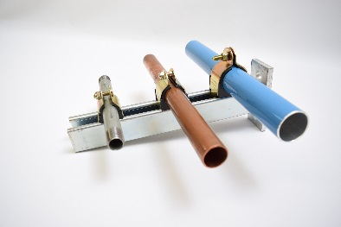
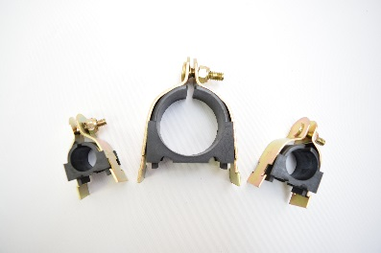
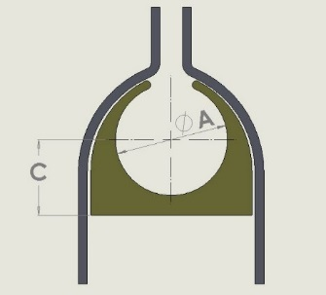
STRUT CUSHION CLAMP PRICE LIST
ENGINEERED SPECIALTIES, LLC
info@rapidairproducts.com
800-954-3310
-for 1-5/8 strut |  | 9-2018
-zinc plated steel
-thermoplastic insert
ENTER | PRICE |  |  | OUR |  | COPPER | BLACK | DIM | DIM
QTY | EACH | Total | Part Number | PRODUCTS | Tubing | WATER PIPE | PIPE SIZE | A DIAM in. | C
0 | $1.87 | $0.00 | ST-005T050 | - | 1/2" | 3/8" | - | 0.50 | 0.40
0 | $2.09 | $0.00 | ST-010T062 | 1/2" MAXLINE | 5/8" | 1/2" | - | 0.62 | 0.46
0 | $1.96 | $0.00 | ST-015T075 | - | 3/4" | 5/8" | - | 0.75 | 0.52
0 | $2.19 | $0.00 | F0017 | 3/4" FASTPIPE | 20mm | - | - | 0.79 | 0.52
0 | $2.00 | $0.00 | ST-020T087 | - | 7/8" | 3/4" | 1/2" | 0.87 | 0.58
0 | $2.49 | $0.00 | F0022 | 3/4" MAXLINE 1" FASTPIPE | 1"-25mm | - | - | 1.00 | 0.65
0 | $2.12 | $0.00 | ST-025NP075 | - | - | - | 3/4" | 1.05 | 0.70
0 | $2.16 | $0.00 | ST-030T112 | - | 1-1/8" | 1" | - | 1.12 | 0.70
0 | $2.44 | $0.00 | ST-035NP100 | 1" MAXLINE | 1-5/16" | - | 1" | 1.31 | 0.81
0 | $2.24 | $0.00 | ST-040T137 | - | 1-3/8" | 1-1/4" | - | 1.37 | 0.83
0 | $2.36 | $0.00 | ST-045T150 | - | 1-1/2" | - | - | 1.50 | 0.90
0 | $3.09 | $0.00 | F0023 | 1.5" FASTPIPE | 1-5/8"-40mm | 1-1/2" | - | 1.62 | 0.96
0 | $2.52 | $0.00 | ST-050NP125 | - | - | - | 1-1/4" | 1.66 | 0.99
0 | $2.56 | $0.00 | ST-055NP150 | - | 1-7/8" | - | 1-1/2" | 1.90 | 1.09
0 | $3.89 | $0.00 | F0025 | 2" FASTPIPE | 2"-50mm | - | - | 2.00 | 1.17
0 | $2.88 | $0.00 | ST-060T212 | - | 2-1/8" | 2" | - | 2.12 | 1.27
0 | $2.96 | $0.00 | ST-065NP200 | - | 2-3/8" | - | 2" | 2.37 | 1.41
0 | $3.65 | $0.00 | ST-068T250 | 2" MAXLINE 2.5" FASTPIPE | 2-1/2"-63mm | - | - | 2.50 | 1.44
0 | $3.40 | $0.00 | ST-070T262 | - | 2-5/8" | 2-1/2" | - | 2.62 | 1.53
0 | $3.68 | $0.00 | ST-075NP250 | - | 2-7/8" | - | 2-1/2" | 2.87 | 1.66
0 | $4.19 | $0.00 | FI0028 | 3" FASTPIPE | 3-1/8"-80mm | 3" | - | 3.12 | 1.78
0 | $3.92 | $0.00 | ST-085NP300 | - | 3-1/2" | - | 3" | 3.50 | 1.97
TOTAL: |  | $0.00

